1. Title Page
Grocery Basket Analysis

Project Name: Instacart Grocery Basket Analysis
Date: 24/10/2022
Analyst Name: Timo Knoepfli

Contents:
Population Flow
Consistency checks
Wrangling steps
Column derivations
Visualizations
Recommendations

2. Population Flow
Title page

Population flow

Exclusion flag
Condition: max_order < 5
Obervations to be removed: 1,441,273
Final total count of order_products_all: 30,988,089

Orders_products_combined
Orders_products_merged
Orders_products_all

Total: 32,429,362
Total: 32,434,489
Total: 30,988,089

1.) The grey boxes in the first row of the population flow represent the original data sets as they were when you downloaded them. In the Total fields you need to add the count of the rows when you imported the data set into Jupyter.
2.) The second row of boxes (coloured) represents the data sets after you manipulated them, e.g., removed missing values and duplicates. In the Total fields you need to add the count of the rows after conducting these operations. This offers a visual oveview of how the data flows throughout the data consistency checks.
3.) The third row, where also the arrows are coloured, represents the merges you performed between the datasets. In the Total fields you need to add the count of the rows in the merged datasets, so that you end up with the final dataset (in the red box). Keep in mind the final dataset should be without exclusions (based on the exclusion flag).

3. Consistency checks
 |  |  |  | Title page
Consistency checks

Dataset | Missing values | Missing values treatment | Duplicates
orders | 206209 missing values found | None, as can signify first/single order customer | None
products | 16 missing values found | Missing values dropped in newly created dataset | 5 dubplicates found and dropped
orders_products_prior | None |  | None
customers | 11,259 missing first names | None | None

4. Wrangling steps
 |  |  |  |  | Title page
Wrangling steps

Dataset | Columns dropped | Columns renamed | Columns' type changed | Comment/Reason
orders | df_eval |  |  | Irrelevant to analysis
 |  |  | user_id to string | Facilitate merge
 |  | order_dow - > order_day_of_week days_since_prior_order -> time_between_orders |  | Inconsistent with naming scheme
products | _merge |  |  | To facilitate future merges
 | Unnamed: 0 |  |  | Artifact from merge
customers | first_name | First Name -> first_name |  | Dropped due to PII
 | last_name | Surnam -> last_name |  | Dropped due to PII
 |  | Gender -> gender |  | Inconsistent with naming scheme
 |  | STATE -> state |  | Inconsistent with naming scheme
 |  | Age -> age |  | Inconsistent with naming scheme
 |  | n_dependents -> number_of_dependents |  | Inconsistent with naming scheme
 |  | fam_status -> marital_status |  | Inconsistent with naming scheme
 |  |  | first_name to string | Facilitate merge

5. Column derivations
 |  |  |  | Title page

Column derivations and aggregations

In this tab you should add tables below that the frequences of flags/label variables that you produced after deriving them. NB: don't do this for continuous variables, only for flags.
Dataset | New column | Column/s it was derived from | Conditions
ords_prods_merge | price_label | price | df.loc[df['prices'] > 15, 'price_range_loc'] = 'High range product' df.loc[(df['prices'] <= 15) & (df['prices'] > 5), 'price_range_loc'] = 'Mid range product' df.loc[df['prices'] < 5, 'price_range_loc'] = 'Low range product'
ords_prods_merge | busiest_day | order_day_of_week | result = [] for value in df_orders_prods_merged["order_day_of_week"]: if value == 0: result.append("Busiest day") elif value == 4: result.append("Least busy") else: result.append("Regularly busy")
ords_prods_merge | busiest_day_2 | order_day_of_week | result_2 = [] for value in df_orders_prods_merged["order_day_of_week"]: if value == 0: result_2.append("Busiest days") elif value == 1: result_2.append("Busiest days") elif value == 3: result_2.append("Slowest days") elif value == 4: result_2.append("Slowest days") else: result_2.append("Regular days")
ords_prods_merge | order_frequency | order_hour_of_day | order_frequency = [] for value in df_orders_prods_merged['order_hour_of_day']: if value in (10, 11, 14, 15, 13, 12, 16, 9, 17): order_frequency.append("Most orders") elif value in (8, 18, 19): order_frequency.append("Average orders") else: order_frequency.append("Fewest orders")
ords_prods_merge | max_order | order_number , user_id | ords_prods_merge.loc[ords_prods_merge['max_order'] > 40, 'loyalty_flag'] = 'Loyal customer' ords_prods_merge.loc[ords_prods_merge['max_order'] <= 40, 'loyalty_flag'] = 'Regular customer' ords_prods_merge.loc[ords_prods_merge['max_order'] <= 10, 'loyalty_flag'] = 'New customer'
ords_prods_merge | loyalty_flag | max_order | ords_prods_merge.loc[ords_prods_merge['max_order'] > 40, 'loyalty_flag'] = 'Loyal customer' ords_prods_merge.loc[ords_prods_merge['max_order'] <= 40, 'loyalty_flag'] = 'Regular customer' ords_prods_merge.loc[ords_prods_merge['max_order'] <= 10, 'loyalty_flag'] = 'New customer'
ords_prods_merge | spender_type | prices, user_id | ords_prods_merge.loc[ords_prods_merge['spender_type'] < 10, 'spending_flag'] = 'Low spender' ords_prods_merge.loc[ords_prods_merge['spender_type'] >= 10, 'spending_flag'] = 'High spender'
ords_prods_merge | median_order_frequency | days_since_prior_order, user_id | ords_prods_merge.loc[ords_prods_merge['median_order_frequency'] > 20, 'customer_frequency_flag'] = 'Non-frequent customer' ords_prods_merge.loc[(ords_prods_merge['median_order_frequency'] > 10) & (ords_prods_merge['median_order_frequency'] <= 20), 'customer_frequency_flag'] = 'Regular customer' ords_prods_merge.loc[ords_prods_merge['median_order_frequency'] <= 10, 'customer_frequency_flag'] = 'Frequent customer'
orders_products_all | income_bracket | income | df.loc[df['income'] <40000, 'income_bracket'] = 'Low income' df.loc[(df['income'] >=40000) & (df['income'] <100000) , 'income_bracket'] = 'Middle income' df.loc[df['income'] >=100000, 'income_bracket'] = 'High income'
orders_products_all | age_group | age | df.loc[df['age'] <30, 'age_group'] = 'Young adult' df.loc[(df['age'] >=31) & (df['age'] <=64), 'age_group'] = 'Middle age' df.loc[df['age'] >=65, 'age_group'] = 'Senior'
orders_products_all | number_of_dependents | dependent_status | df.loc[df['number_of_dependents'] == 0, 'dependent_status'] = 'No dependents' df.loc[df['number_of_dependents'] >+ 1, 'dependent_status'] = 'Dependents'
orders_products_all | baby_household | department_id | df['baby_household'] = np.where(df['department_id'] == 18, True, False)
orders_products_all | weekend_shopper | order_day_of_week | df['weekend_shopper'] = np.where((df['order_day_of_week'] == 0) | (df['order_day_of_week'] == 1), True,False)
orders_products_all | late_night_shopper | order_hour_of_day | df['late_night_shopper'] = np.where(df['order_hour_of_day'].between(0,4) | (df['order_hour_of_day'].between(22,23)), True, False)
orders_products_all | department_name | department_id | Data dictionary based on departments.csv

6. Visualizations
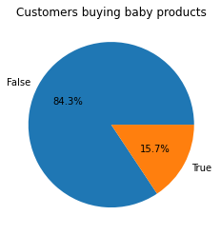
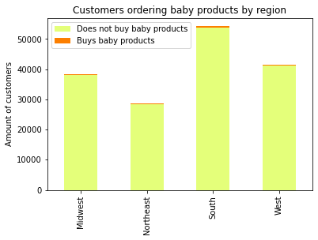
 |  |  | Title page

Visualisations

In this tab you should include all the visualtions from Exercises 4.9 and 4.10, alongside the questions from the project brief that they answer. Include any commentary on the relationship between different variables.

General sales data

Q1: The sales team needs to know what the busiest days of the week and hours of the day are (i.e., the days and times with the most orders) in order to schedule ads at times when there are fewer orders |  |  |  | Analysis: | We can observe that the most popular days for ordering are Saturday and Sunday (displayed as 0 and 1). The highest order volume roughly aligns with "traditional" business hours.

Order volume by weekday |  | Order volume by hour of the day

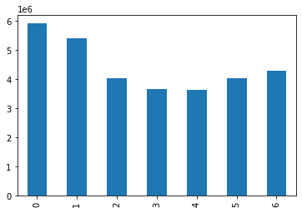

Q2: They also want to know whether there are particular times of the day when people spend the most money, as this might inform the type of products they advertise at these times |  |  |  | Analysis: | The average prices of order products are the highest at late night/early morning hours.

Average price of products by hour of the day
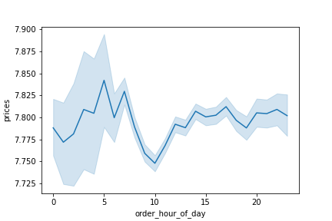

Q3: Instacart has a lot of products with different price tags. Marketing and sales want to use simpler price range groupings to help direct their efforts |  |  |  | Analysis: | Based on the price distribtion of order products (as seen on the left), we created three price range groupings: Low range (less than 5 USD), Mid range (between 5 and 15 USD) and High range (over 15 USD).

Distribution of products by price | Distribution of newly created price range groupings

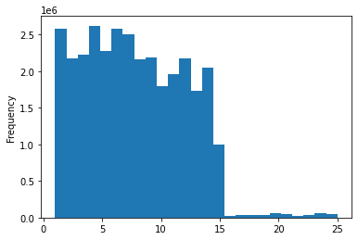
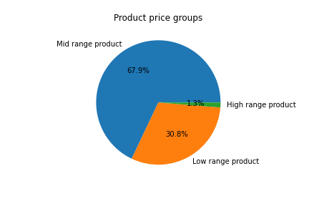

Q4: Are there certain types of products that are more popular than others? The marketing and sales teams want to know which departments have the highest frequency of product orders |  |  |  | Analysis: | The top 5 most popular product categries are as follows: Produce, dairy/eggs, snacks, beverages and frozen foods.

Product departments by order volume

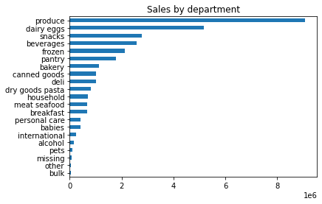

Customer segment data

Q5: What’s the distribution among users in regards to their brand loyalty |  |  |  | Analysis: | We can see that the majority of the customer base are regulars , but with a sizeable cohort of new customers that should be targeted to ensure stickiness.

Overall loyalty of customer base

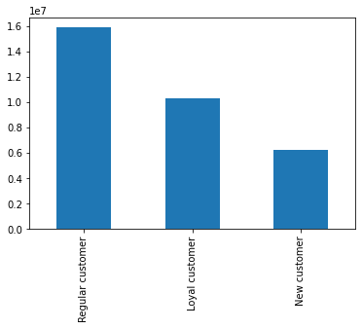

Q6: Are there differences in ordering habits based on a customer’s loyalty status? |  |  |  | Analysis: | We can observe that a customer's loyalty status is a better predictor of frequent ordering that their income level. The vast majority of Regular customers (in terms of loyalty) already order at regular or frequent intervals.

Brand loyalty by income bracket | Order frequency by customer loyalty

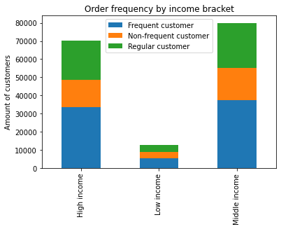
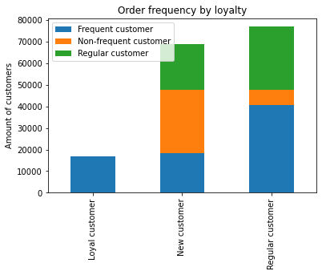

Q7: Are there differences in ordering habits based on a customer’s region |  |  |  | Analysis: | The ordering habits of customers are near identical across regions and thus correlates with the size of the respective populations.

Customer distribution by region | Customer loyalty by region

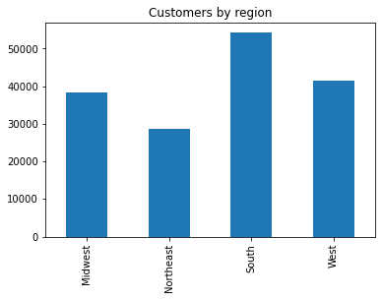
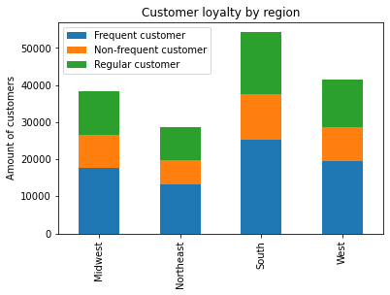

Q8: Is there a connection between age and family status in terms of ordering habits |  |  |  | Analysis: | The ordering habits of customers are near identical across age groups and family status and thus correlates with the size of the respective populations. In absolute terms, the majority of the customer base is middle aged and married.

Ordering habits by age | Ordering habits by family status

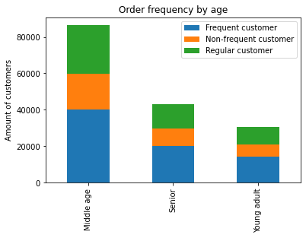
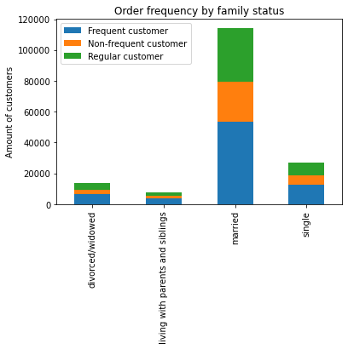

Q9: What different classifications does the demographic information suggest |  |  |  | Analysis: | We can observe a correlation between increasing age and income. However, the distribution of age groups, income, etc. corresponds to the size of the respective populations in the operating regions. This further confirms observations made above.

Correlation between age and income | Customer age profiles by region
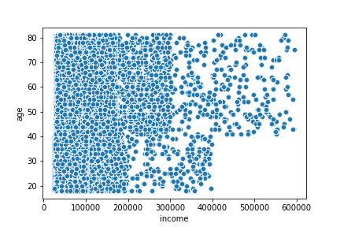
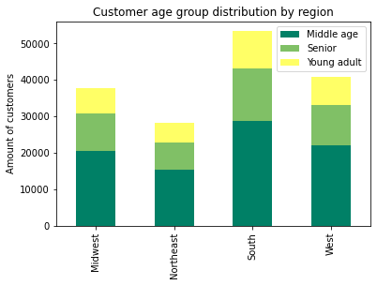

Customer income distribution by region

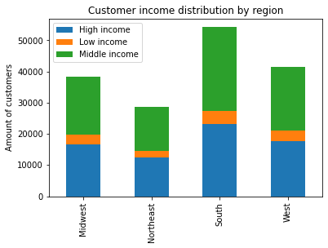

Q10: What differences can you find in ordering habits of different customer profiles |  |  |  | Analysis: | Different customer profiles finally surface relevant differences in ordering habits among customers. Depending on the needs and means of the marketing deparment, highly targeted campaigns are thus possible with the data at our disposal. We can for example see that married customers are more likely to shop on weekends or late at night. An examination of customers ordering from the baby products department shows that they make up only about 15 percent of the overall customer base, again facilitating highly targeted messaging. I suspect that the same will be true for the international, pet, alcohol and other less popular departments, where there is growth potential.

Overall customer base shopping on weekends |  | Overall customer base shopping at night
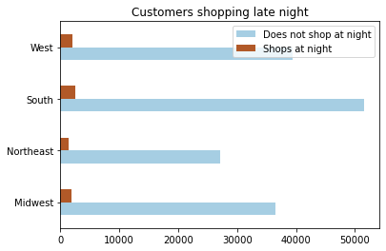
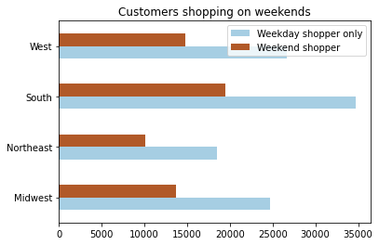

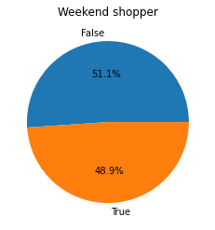
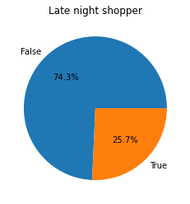

Customer groups that shop on weekends |  | Customer groups that shop at night

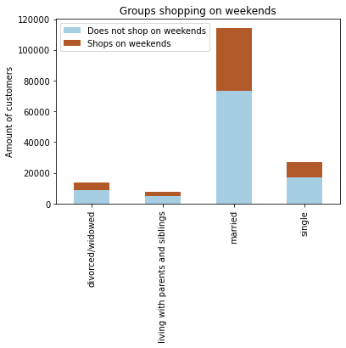
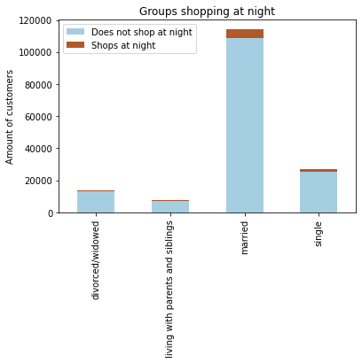

Example of a customer analysis by specific product department - baby products

7. Recommendations
 |  | Title page

Recommendations

In this tab you should include any recommendations you would made to Instcart in terms of their marketing strategy based on the questions posed in the brief. Every key question has been covered in the Tasks of the Exercises - here you need to add an item - a visualisation or table/crosstable that is showing the answer in the data, acompanied by a comment from you. Please, list the questions below and add the answer underneath.

Key Question 1: | The sales team needs to know what the busiest days of the week and hours of the day are (i.e., the days and times with the most orders) in order to schedule ads at times when there are fewer orders.

Answer: | The most popular days for ordering are Saturday and Sunday (displayed as 0 and 1). The highest order volume roughly aligns with "traditional" business hours. Ads should thus be scheduled outside those times.

Key Question 2: | They also want to know whether there are particular times of the day when people spend the most money, as this might inform the type of products they advertise at these times

Answer: | The average prices of order products are the highest at late night/early morning hours, so ads for more expensive products could be effective during those hours.

Key Question 3: | Instacart has a lot of products with different price tags. Marketing and sales want to use simpler price range groupings to help direct their efforts

Answer: | Based on the distribution of ordered products, we created Low range (less than 5 USD), Mid range (between 5 and 15 USD) and High range (over 15 USD) price range groupings.

Key Question 4: | Are there certain types of products that are more popular than others? The marketing and sales teams want to know which departments have the highest frequency of product orders

Answer: | The top 5 most popular product categries are as follows: Produce, dairy/eggs, snacks, beverages and frozen foods.

Key Question 5: | What’s the distribution among users in regards to their brand loyalty?

Answer: | We can see that the majority of the customer base are regulars that could be targeted to ensure/increase loyalty. A sizeable cohort of new customers should be targeted to ensure stickiness.

Key Question 6: | Are there differences in ordering habits based on a customer’s loyalty status?

Answer: | We can observe that a customer's loyalty status is a better predictor of frequent ordering that their income level. The vast majority of regular customers (in terms of loyalty) already order at regular or frequent intervals.

Key Question 7: | Are there differences in ordering habits based on a customer’s region?

Answer: | The ordering habits of customers are near identical across regions and thus correspond to the population size. The assumption for question 7 thus holds true and can be used for targeting across all regions.

Key Question 8: | Is there a connection between age and family status in terms of ordering habits?

Answer: | The ordering habits of customers are near identical across age groups and family status and again correspond to the overall population. The above assumption still applies.

Key Question 9: | What different classifications does the demographic information suggest?

Answer: | We can observe a correlation between increasing age and income. However, the distribution of age groups, income, etc. among customers again correspons to the overall population. Special consideration should thus be given to customers with higher income to tap into their spending potential.

Key Question 10: | What differences can you find in ordering habits of different customer profiles?

Answer: | Different customer profiles finally surface relevant differences in ordering habits among customers. Depending on the needs and means of the marketing deparment, highly targeted campaigns are thus possible with the data at our disposal. We can for example see that married customers are more likely to shop on weekends or late at night. An examination of customers ordering from the baby products department shows that they make up only about 15 percent of the overall customer base, again facilitating highly targeted messaging. I suspect that the same will be true for example for the international, pet, alcohol and other less popular departments, where there is growth potential.

